Sheet1
Input Power from the H-Rotor
Power (P) can be estimated as: P=1/2⋅ρ⋅A⋅Cp⋅V^3
where:
ρ=1.225 kg/m3(air density at sea level)
A=rotor swept area A=4ft⋅5ft=1.86m^2,
Cp≈0.43 (power coefficient for H-rotors, depends on TSR and airfoil)
(TSR = 2.95. Airfoil = NACA 0012)
V = wind speed = 17.882 m/s
P= 6510.56W
Finding the efficiency
𝑢= (1−𝑘𝑚)⋅(1−𝑘𝑒)
km = Mechanical losses = 0.003
ke = Electrical losses = 0.015
u= 0.422227
Real Power = u * P = 2747.45
Max Instantaneous Torque Created by Blades
Torque (T)
Torque is related to power and angular velocity: T=P/ω​
where:
P=1182.64
ω=(1.219π*RPM)/(60)
At RPM=826.4868
T= 31.724Nm
Max T after Gear Box for break
31.724 / 1.5 = 21.15Nm​

 |  |  | Found gear ratios for purches 1, 1.5, 2, 2.5, 3

 |  |  | GR=1.5 |  | GR=2 |  | GR=2.5
TSR | RPM at 25mph wind | RPM at 40 mph wind | 25mph | 40mph | 25mph | 40mph | 25mph | 40mph

2 | 350.19845415 | 560.33006058 | 525.29768122 | 840.49509087 | 700.39690829 | 1120.6601212 | 875.49613537 | 1400.8251515
2.1 | 367.70837685 | 588.34656361 | 551.56256528 | 882.51984541 | 735.41675371 | 1176.6931272 | 919.27094213 | 1470.866409
2.15 | 376.46333821 | 602.35481512 | 564.69500731 | 903.53222269 | 752.92667642 | 1204.7096302 | 941.15834552 | 1505.8870378
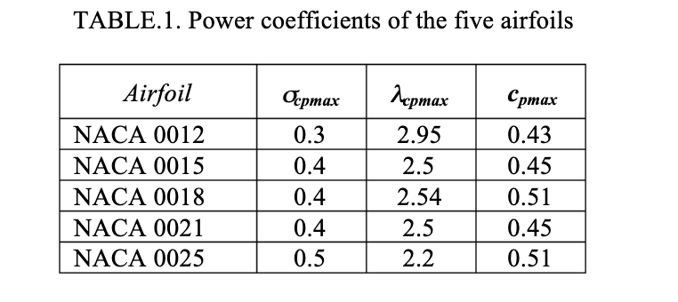
2.2 | 385.21829956 | 616.36306664 | 577.82744934 | 924.54459996 | 770.43659912 | 1232.7261333 | 963.0457489 | 1540.9076666
2.25 | 393.97326091 | 630.37131815 | 590.95989137 | 945.55697723 | 787.94652183 | 1260.7426363 | 984.93315229 | 1575.9282954
2.3 | 402.72822227 | 644.37956967 | 604.0923334 | 966.5693545 | 805.45644454 | 1288.7591393 | 1006.8205557 | 1610.9489242
2.35 | 411.48318362 | 658.38782118 | 617.22477543 | 987.58173177 | 822.96636724 | 1316.7756424 | 1028.7079591 | 1645.969553
2.4 | 420.23814498 | 672.3960727 | 630.35721746 | 1008.594109 | 840.47628995 | 1344.7921454 | 1050.5953624 | 1680.9901817
2.45 | 428.99310633 | 686.40432421 | 643.48965949 | 1029.6064863 | 857.98621266 | 1372.8086484 | 1072.4827658 | 1716.0108105
2.5 | 437.74806768 | 700.41257573 | 656.62210152 | 1050.6188636 | 875.49613537 | 1400.8251515 | 1094.3701692 | 1751.0314393
2.55 | 446.50302904 | 714.42082724 | 669.75454356 | 1071.6312409 | 893.00605807 | 1428.8416545 | 1116.2575726 | 1786.0520681
2.6 | 455.25799039 | 728.42907875 | 682.88698559 | 1092.6436181 | 910.51598078 | 1456.8581575 | 1138.144976 | 1821.0726969 |  |  |  |  | https://www.researchgate.net/publication/283028023_Design_and_performance_of_a_straight-bladed_darrieus_wind_turbine
2.65 | 464.01295174 | 742.43733027 | 696.01942762 | 1113.6559954 | 928.02590349 | 1484.8746605 | 1160.0323794 | 1856.0933257
2.7 | 472.7679131 | 756.44558178 | 709.15186965 | 1134.6683727 | 945.5358262 | 1512.8911636 | 1181.9197827 | 1891.1139545
2.75 | 481.52287445 | 770.4538333 | 722.28431168 | 1155.6807499 | 963.0457489 | 1540.9076666 | 1203.8071861 | 1926.1345832
2.8 | 490.27783581 | 784.46208481 | 735.41675371 | 1176.6931272 | 980.55567161 | 1568.9241696 | 1225.6945895 | 1961.155212 | https://www.researchgate.net/publication/283028023_Design_and_performance_of_a_straight-bladed_darrieus_wind_turbine
2.85 | 499.03279716 | 798.47033633 | 748.54919574 | 1197.7055045 | 998.06559432 | 1596.9406727 | 1247.5819929 | 1996.1758408 | as well as formula for P
2.9 | 507.78775851 | 812.47858784 | 761.68163777 | 1218.7178818 | 1015.575517 | 1624.9571757 | 1269.4693963 | 2031.1964696
2.95 | 516.54271987 | 826.48683936 | 774.8140798 | 1239.730259 | 1033.0854397 | 1652.9736787 | 1291.3567997 | 2066.2170984
3 | 525.29768122 | 840.49509087 | 787.94652183 | 1260.7426363 | 1050.5953624 | 1680.9901817 | 1313.244203 | 2101.2377272
3.1 | 542.80760393 | 868.5115939 | 814.21140589 | 1302.7673909 | 1085.6152079 | 1737.0231878 | 1357.0190098 | 2171.2789848
3.15 | 551.56256528 | 882.51984541 | 827.34384792 | 1323.7797681 | 1103.1251306 | 1765.0396908 | 1378.9064132 | 2206.2996135
3.2 | 560.31752663 | 896.52809693 | 840.47628995 | 1344.7921454 | 1120.6350533 | 1793.0561939 | 1400.7938166 | 2241.3202423
3.25 | 569.07248799 | 910.53634844 | 853.60873198 | 1365.8045227 | 1138.144976 | 1821.0726969 | 1422.68122 | 2276.3408711
3.3 | 577.82744934 | 924.54459996 | 866.74117401 | 1386.8168999 | 1155.6548987 | 1849.0891999 | 1444.5686234 | 2311.3614999
3.35 | 586.5824107 | 938.55285147 | 879.87361604 | 1407.8292772 | 1173.1648214 | 1877.1057029 | 1466.4560267 | 2346.3821287
3.4 | 595.33737205 | 952.56110299 | 893.00605807 | 1428.8416545 | 1190.6747441 | 1905.122206 | 1488.3434301 | 2381.4027575
3.45 | 604.0923334 | 966.5693545 | 906.1385001 | 1449.8540318 | 1208.1846668 | 1933.138709 | 1510.2308335 | 2416.4233863
3.5 | 612.84729476 | 980.57760602 | 919.27094213 | 1470.866409 | 1225.6945895 | 1961.155212 | 1532.1182369 | 2451.444015
3.55 | 621.60225611 | 994.58585753 | 932.40338417 | 1491.8787863 | 1243.2045122 | 1989.1717151 | 1554.0056403 | 2486.4646438
3.6 | 630.35721746 | 1008.594109 | 945.5358262 | 1512.8911636 | 1260.7144349 | 2017.1882181 | 1575.8930437 | 2521.4852726
3.65 | 639.11217882 | 1022.6023606 | 958.66826823 | 1533.9035408 | 1278.2243576 | 2045.2047211 | 1597.780447 | 2556.5059014
3.7 | 647.86714017 | 1036.6106121 | 971.80071026 | 1554.9159181 | 1295.7342803 | 2073.2212241 | 1619.6678504 | 2591.5265302
3.75 | 656.62210152 | 1050.6188636 | 984.93315229 | 1575.9282954 | 1313.244203 | 2101.2377272 | 1641.5552538 | 2626.547159

𝑅𝑃𝑀=60×𝑣×(𝑇𝑆𝑅/𝜋D)
Need RPMs => 750, at 25mph wind
Need RPMs <1250, at 40mph wind
 |  |  |  |  |  |  |  |  |  | 6507.28 | 0.422227 | 2747.36

 |  |  |  |  |  |  |  |  |  | 1919.65
 | equation from PDR

Need 500W at 25 mph wind

